Layout
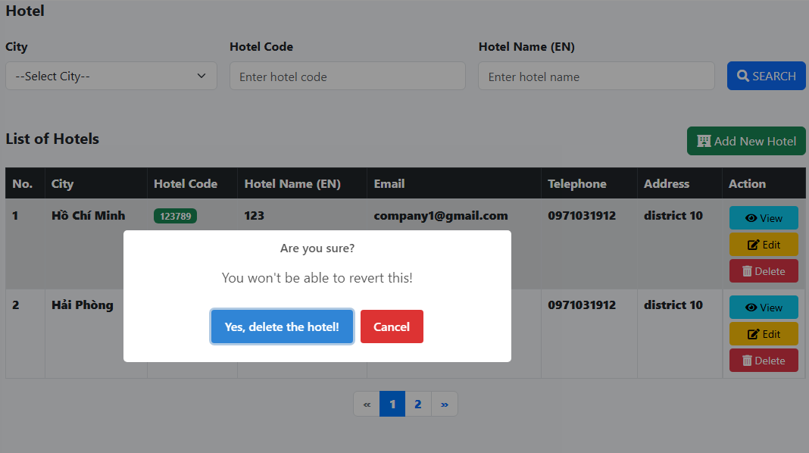
共通情報 |  | プロジェクト名 | Fresher - small project | 作成者 | Huỳnh Lê An
 |  | システム名 | Hotel Maneger | 作成日付 | 2025-06-02
 |  | 工程名 | Detail Design | バージョン | 0.1
 |  | ドキュメントID |  | 更新者
 |  | ドキュメント名 | Detail Design Screen | 更新日付 | 2025-06-02
詳細情報 |  | 画面ID
 |  | 画面名称 | List Hotel
 |  | 概要 | List hotels, including some information, and allow deleting hotels.

Main view:

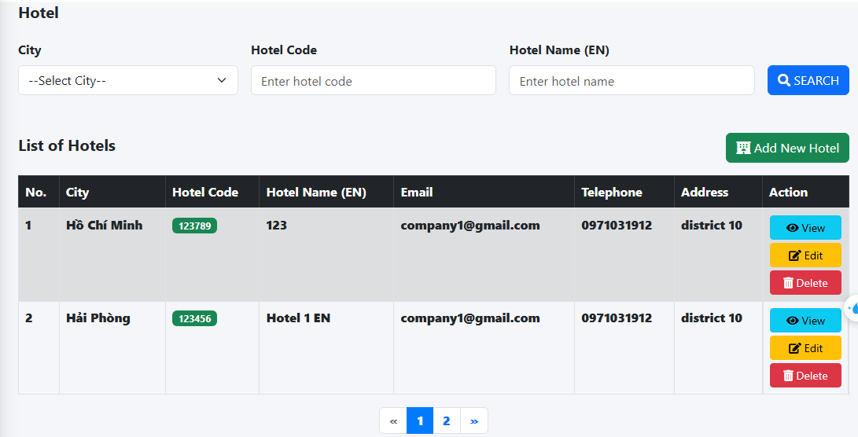

 | Delete view:

